Story points estimation cheat s
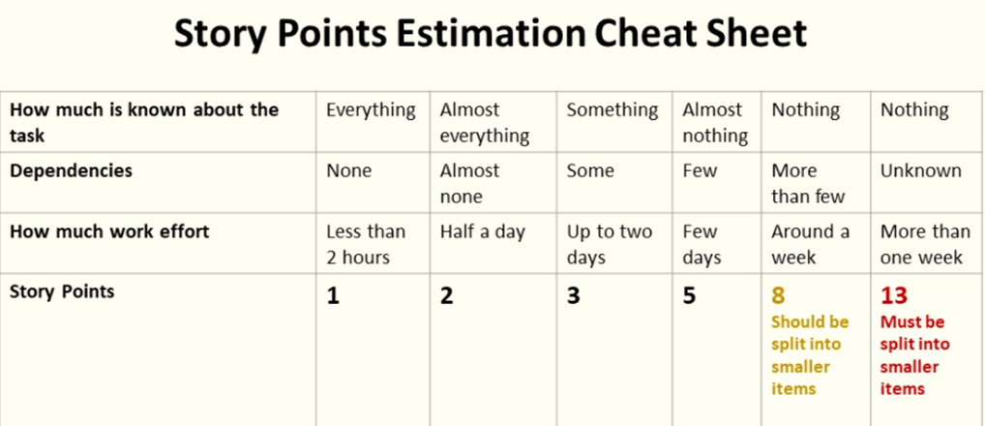

https://teamhood.com/agile/story-point-estimation-table/

